Charts
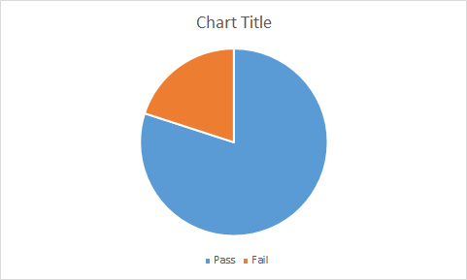
 | 58 | 1
 | 60
 | 89
 | 90
 | 65
 | 32
 | 97
 | 67
 | 77
 | 92
 | 43
 | 62
 | 55
 | 94
 | 50

